Metadata
Background of data entry
The data in this file comprises any record of survey disruption in surveys coordinated by the International Bottom Trawl Survey Group (IBTSWG) since 1998.
IBTSWG reports between 1998 and 2023 were reviewed, and every occurrence of a survey data gap was pulled out, and recorded in the disruption record.
Records of survey disruption are categorised by their effect on the survey data coverage. The rationale behind the categorisation is visualised via this flowchart:
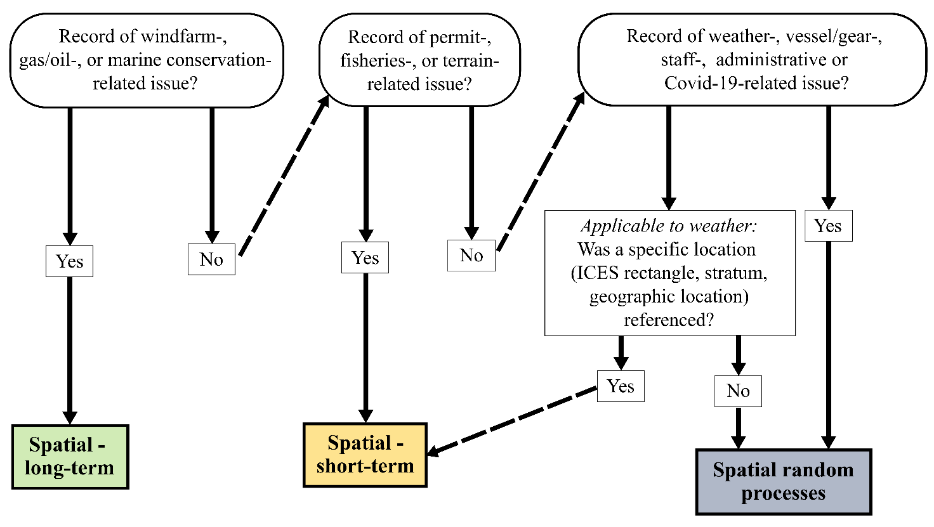

Details on data entry method

For every survey the following variables were recorded. StaPlanned was recorded once for every survey, even if several disruptors were recorded for one survey in a given survey year.
Even if no record was available for the number of stations/duration/location affected by a certain disruption, a record was made to by counted as an event where disruption in a given form and category occurred.

Variable name | Description
SurveyYear | Year in which survey was conducted
Survey | Name of the survey for which a survey disruption was recorded in a given survey year
SurveyQuarter | Yearly quarter in which the survey was conducted
StaPlanned | Number of stations planned for the given survey
StaValComp | Number of stations completed for the given survey
DifSta | Difference between number of stations planned and completed for the given survey
SurveyCov | Completed station coverage relative to the target of the given survey in percent
DisruptorCat | Category in which a given disruptor falls into see flow chart
Disruptor | Class of disruptor within category
DurationIfCat3 | Duration of disruption if the disruptor falls in category 3 (Spatial random processes)
LocationIfCat12 | Location of the disruption if the disruptor falls in a category types 1 or 2 (Spatial long-term, or Spatial short-term, respectively)
Comment | Additional comments describing the survey data gap
NStaAff | If provided, number of stations associated with a given survey disruption
SurveyCovAff | Percentage of survey stations affected by disruption relative to target and number of stations reported
Reference | Reference to IBTSWG report in which disruptor was reported

A full reference list is given in the worksheet "Reference list".

